Schedule
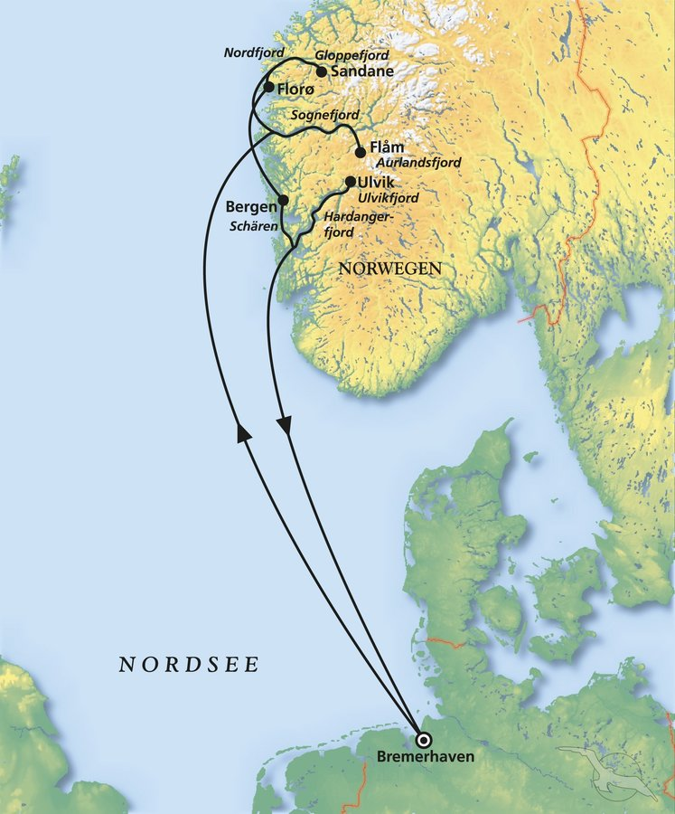
Fjordnorwegen zum Verlieben mit MS Amera
AMR138 | 7 Tage | 25.07. - 01.08.2025 |  |  |  |  |  |  | PAX: 772

D | Date | Day | A/B/C | STA | STD | Port | Port Code
1 | 25-Jul-25 | 2025-07-25 | B | 9:00:00 | 19:00:00 | Bremerhaven | DEBRV
2 | 26-Jul-25 | 2025-07-26 | C | - | - | At Sea | -
3 | 27-Jul-25 | 2025-07-27 | B | 12:00:00 | 19:00:00 | Flåm | NOFLA
4 | 28-Jul-25 | 2025-07-28 | A | 8:00:00 | 13:00:00 | Sandane | NOSAN
4 | 28-Jul-25 | 2025-07-28 | B | 18:00:00 | 22:00:00 | Florø | NOFLO
5 | 29-Jul-25 | 2025-07-29 | B | 8:00:00 | 20:00:00 | Bergen | NOBGO
6 | 30-Jul-25 | 2025-07-30 | A | 8:00:00 | 18:30:00 | Ulvik | NOULV
7 | 31-Jul-25 | 2025-07-31 | C | - | - | At Sea | -
- | 1-Aug-25 | 2025-08-01 | B | 8:00:00 | 18:00:00 | Bremerhaven | DEBRV

